RichText Input Examples
How its shown in SharePoint | Excel Extract of SP RichText | PQ Extract of SP RichText
 | Multiple Lines of Rich Text | <div class="ExternalClass1393211E0DC545C5953515E3424A0F8D"><p>Multiple<br>Lines<br>of<br>Rich<br>Text</p></div>
 | multiple rich text again | <div class="ExternalClass2489EEBCE6844471BEDB5BCD774EAE18"><p>multiple</p><p>rich</p><p>text</p><p>again</p></div>
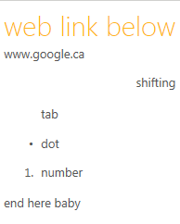 | web link below www.google.ca shifting tab dot number end here baby | <div class="ExternalClass850FFCC1FF3B459CBA6F33163DCD0C0A"><h1>web link below</h1><p class="ExternalClass58F5469C1DF94B85A4A5C579EF52C9FD" dir="ltr" style="text-align&#58;left;"><a href="http&#58;//www.google.ca/">www.google.ca</a></p><p class="ExternalClass58F5469C1DF94B85A4A5C579EF52C9FD" dir="rtl" style="text-align&#58;right;">shifting</p><blockquote class="ExternalClass58F5469C1DF94B85A4A5C579EF52C9FD" dir="ltr" style="margin-right&#58;0px;"><p dir="ltr" style="text-align&#58;left;">tab</p></blockquote><ul dir="ltr"><li><div class="ExternalClass58F5469C1DF94B85A4A5C579EF52C9FD" style="text-align&#58;left;">dot</div></li></ul><ol><li><div class="ExternalClass58F5469C1DF94B85A4A5C579EF52C9FD" style="text-align&#58;left;">number</div></li></ol><p class="ExternalClass58F5469C1DF94B85A4A5C579EF52C9FD">end here baby&#160;</p></div>
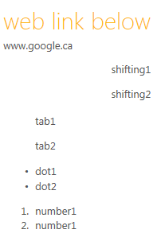 | web link below www.google.ca shifting1 shifting2 tab1 tab2 dot1 dot2 number1 number1 | <div class="ExternalClass850FFCC1FF3B459CBA6F33163DCD0C0A"><h1>web link below</h1><p class="ExternalClass58F5469C1DF94B85A4A5C579EF52C9FD" dir="ltr" style="text-align&#58;left;"><a href="http&#58;//www.google.ca/">www.google.ca</a></p><p class="ExternalClass58F5469C1DF94B85A4A5C579EF52C9FD" dir="rtl" style="text-align&#58;right;">shifting1</p><p class="ExternalClass58F5469C1DF94B85A4A5C579EF52C9FD" dir="rtl" style="text-align&#58;right;">shifting2</p><blockquote class="ExternalClass58F5469C1DF94B85A4A5C579EF52C9FD" dir="ltr" style="margin-right&#58;0px;"><p dir="ltr" style="text-align&#58;left;">tab1</p><p dir="ltr" style="text-align&#58;left;">tab2</p></blockquote><ul dir="ltr"><li><div class="ExternalClass58F5469C1DF94B85A4A5C579EF52C9FD" style="text-align&#58;left;">dot1</div></li><li><div class="ExternalClass58F5469C1DF94B85A4A5C579EF52C9FD" style="text-align&#58;left;">dot2</div></li></ul><ol><li><div class="ExternalClass58F5469C1DF94B85A4A5C579EF52C9FD" style="text-align&#58;left;">number1</div></li><li><div class="ExternalClass58F5469C1DF94B85A4A5C579EF52C9FD" style="text-align&#58;left;">number1</div></li></ol></div>
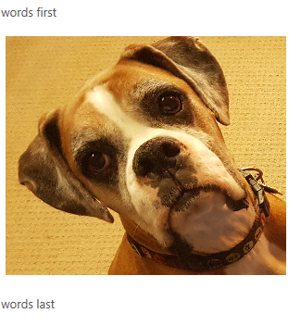 | ​words first words last | <div class="ExternalClass54A382BD575F456DB616AAEB53DD2B9B"><p>​words first</p><p><img alt="ConfusedApe.jpg" src="/personal/taylorc5/Documents/RockyIsCloseup.jpg" style="margin&#58;5px;width&#58;303px;" />&#160;</p><p>words last</p></div>

